โจทย์
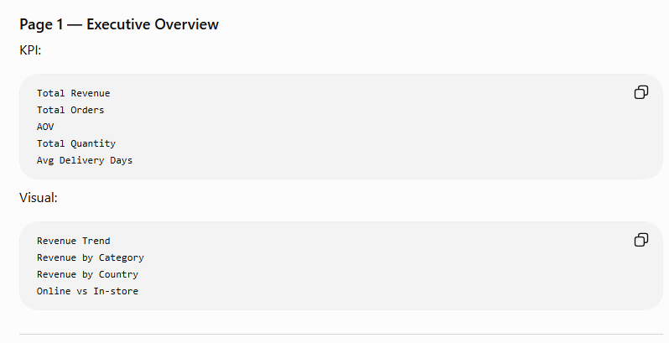
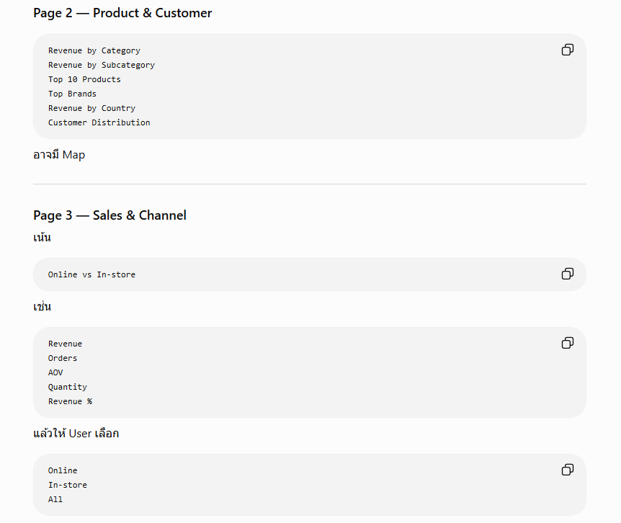
What types of products does the company sell, and where are customers located?
Customer
Q1. Which countries and regions generate the most revenue?
Q2. How does customer demand differ across countries?
Product
Q3. Which product categories, subcategories, and brands drive the most revenue and profit?
Q4. Which products have high sales volume but relatively low margins?
Sales
Q5. How have revenue, orders, and quantity changed over time?
Q6. Are there recurring seasonal patterns in sales?
Channel
Q7. How does online performance compare with in-store performance?
Q8. Does AOV differ between online and in-store sales?
Operations
Q9. How long does online delivery typically take?
Q10. Has delivery performance improved or worsened over time?
Currency
Q11. How does revenue vary across different currencies/markets?
บริษัทขาย Product Category อะไรบ้าง? |  |  | ลูกค้าอยู่ประเทศไหน?
Category ไหนสร้าง Revenue สูงสุด? |  |  | ประเทศไหนมี Revenue สูงสุด?
Subcategory ไหนขายดีที่สุด? |  |  | ลูกค้าประเทศไหนมีจำนวนมากที่สุด?
Product ไหนขายได้มากที่สุด? |  |  | Revenue กระจุกตัวอยู่ในประเทศใด?
Brand ไหนมี Revenue สูงสุด? |  |  | Online / In-store แตกต่างกันตามประเทศหรือไม่?
Category ไหนมี Average Order Value สูง?
Product/Category ไหนมี Margin สูง?

Are there any seasonal patterns or trends for order volume or revenue?

Revenue กำลังโตหรือลด? |  | Revenue by Year
 |  | Revenue by Month
มีเดือนไหนขายดีเป็นพิเศษ? |  | Orders by Month
 |  | Quantity by Month
มี Seasonal Pattern หรือไม่? |  | YoY Growth
 |  | Monthly Growth
ช่วงปลายปีขายดีขึ้นหรือเปล่า? |  | Seasonal Pattern

How long is the average delivery time in days? Has that changed over time? |  |  |  | ระยะเวลาการจัดส่งโดยเฉลี่ยกี่วัน?

Average Delivery Days | แล้วดู | 2016
Min Delivery Days | Online only | 2017
Max Delivery Days |  | 2018
 |  | 2019
 |  | 2020

 | ว่า | Delivery time ลดลงหรือเพิ่มขึ้น?

Online vs In-store

Orders
Revenue
Quantity
AOV
% of Revenue

